ALL Teacher Overview
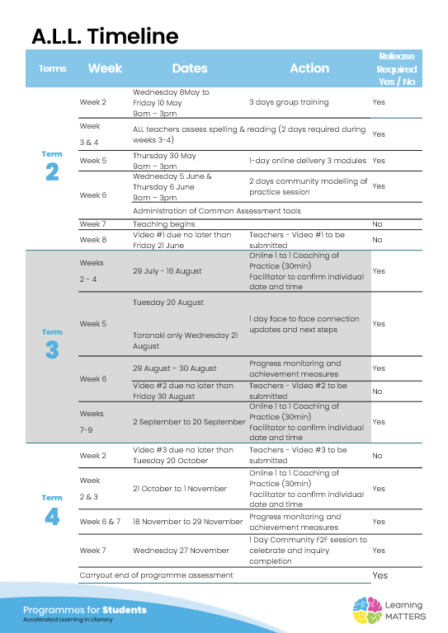

Roadmap
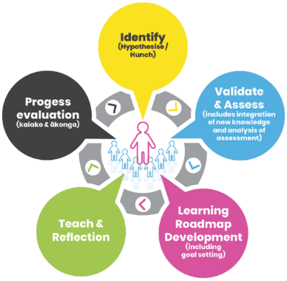 |  | The Inquiry cycle understood …
 |  | Hunch | What do you suspect is the cause of literacy underachievement? | Spelling- incorrect short vowel and not knowing spellings rules Not using punctuation even capital letters and full stops. Not knowing where they are used. Issues encoding Lack of fluency in particular expression and phrasing. Incorrect formation, size and neatness of handwriting.
 |  | Validate and Assess | Once you have completed all assessments has your hunch been validated and or is further assessment or knowledge building necessary? | Writing: There are big gaps in spelling rules and in particular double the consonant. Lack of punctuation was confirmed which was disappointing because we have covered proper nouns for a few weeks. It surprised me that most sentences were simple sentences with 1 compound sentence. It was interesting that there was a lack of tier 2 and 3 vocabulary and content specific vocabulary. In the phonic book assessment. Reading: I was shocked that year 6 students didn't have 5-9 sounds of consonants. I assumed that akonga by year 5 and 6 had these sounds. It pleased me that the short vowels were pronounced correctly due to the card pack we had been using. Spelling: I assumed that these students would have picked up some of these rules earlier but across the whole class there were some commonalities with gaps in the floss rule, magic e, double the consonant when adding a suffix, le consonant and the ed ending. Handwriting: I was surprised at the neatness of the handwriting in the 10 min sample and spelling test. It goes to show the power of expectation. I think that the size of handwriting could be improved and the speed of forming letters so that it becomes easier when writing larger texts. I can see why it was hard to progress writing skills last year given that so much of the basic building blocks of writing and spelling are missing. I do not need to do further testing as I know completely where we are. My hunches were partially correct but having done the assessments I am crystal clear what I need to teach. I can see I need to build background knowledge and vocabulary so that kids can confidently use it in their writing.
 |  | Roadmap Actions | Now you have greater knowledge and relevant assessment findings what steps will you take? | I will focus on spelling and writing in the tier 2 intervention. We will use the spelling hotmap and their individual reports to know where to start on Ideal. 1. Start teaching end blends and move through the lessons that they are orange or red on the hotmap.
 |  | Goal Setting | Write a goal for you as the teacher that reflects your aspirations to continue to improve both knowledge and practice and also a goal for your group of students. | Teach and model using encoding skills to this group so that they can use these sklls independently without being prompted. Students say the word, break a word into its syllables and fingerspelling to write new words.
 |  | Teaching | What will the key components of your teaching sessions include for this group of Tier 2 students? | Direct and explicit teaching Modelling Decoding Encoding Students marking their own work Review of concepts
 |  | Reflection | You will be required to reflect throughout your roadmap at regular intervals, particularly after observations and coaching sessions.
 |  | Progress evaluation | At the beginning of Term 3 and again at the end of term 4 you will evaluate the progress both you and your students have made.

Roadmap for implementation and tracking progress and actions
Now use the information and reflections above to map out your roadmap and set goals for your inquiry. ALL participants will be required to keep a journal of their progress and actions. This will assist in monitoring achievements and progress towards teacher and student goals.
Term 2 Goal Setting
Teacher goal |  | Teach and model using encoding skills to this group so that they can use these sklls independently without being prompted.
Student outcome goals |  | Students say the word, break a word into its syllables and fingerspelling to write new words.

Term 2 Roadmap
Week | Focus | Teacher Actions | Reflection and next steps
3
4
5
6
7 | Introducing the lesson format and group routines | Practice using the lesson elements | Great week and so good to see that this is at the right level of challenge for this group. Tidy up the routines and focus on students using encoding skills each time they write a word. Surprised that 2 students were having so much trouble with the pace and formation of their handwriting that was slowing them down.
8 | Look at letters that go under the line and get perky pace going.
9
10

Term 2 Evaluation & Term 3 Goal Setting
Student progress and next steps
Teacher progress and next steps

Term 3 Roadmap
Week | Focus | Teacher Actions | Reflection and next steps
1
2
3
4
5
6
7
8
9
10

Term 3 Evaluation & Term 4 Goal Setting
Student progress and next steps
Teacher progress and next steps

Term 4 Roadmap
Week | Focus | Teacher Actions | Reflection and next steps
1
2
3
4
5
6
7
8

Term 4 Evaluation & Final Reflections
Student progress and next steps
Teacher progress and next steps

